设备
id | zone | group | name | type | config | visibility
g01 |  |  | 测试主机 | gateway | serial=26448
mainsensor |  |  | 传感器 | sensor | temperature=15/4/1+15/4/1:9.001:0.1:℃ humidity=15/4/2+15/4/2:9.007:1:%RH pm1=15/4/3+15/4/3:9.001:1:μg/m³ pm25=15/4/3+15/4/3:9.001:1:μg/m³ pm10=15/4/3+15/4/3:9.001:1:μg/m³ co2=15/4/4+15/4/4:9.008:1:ppm co=15/4/4+15/4/4:9.008:1:ppm voc=15/4/5+15/4/5:9.008:0.01:ppm hcho=15/4/5+15/4/5:9.008:0.01:ppm h2s=15/4/5+15/4/5:9.008:0.01:ppm nh3=15/4/5+15/4/5:9.008:0.01:ppm valueenum=0/1/5+0/1/5:5.005:Rainy/0+Cloudy/1+Sunny/2
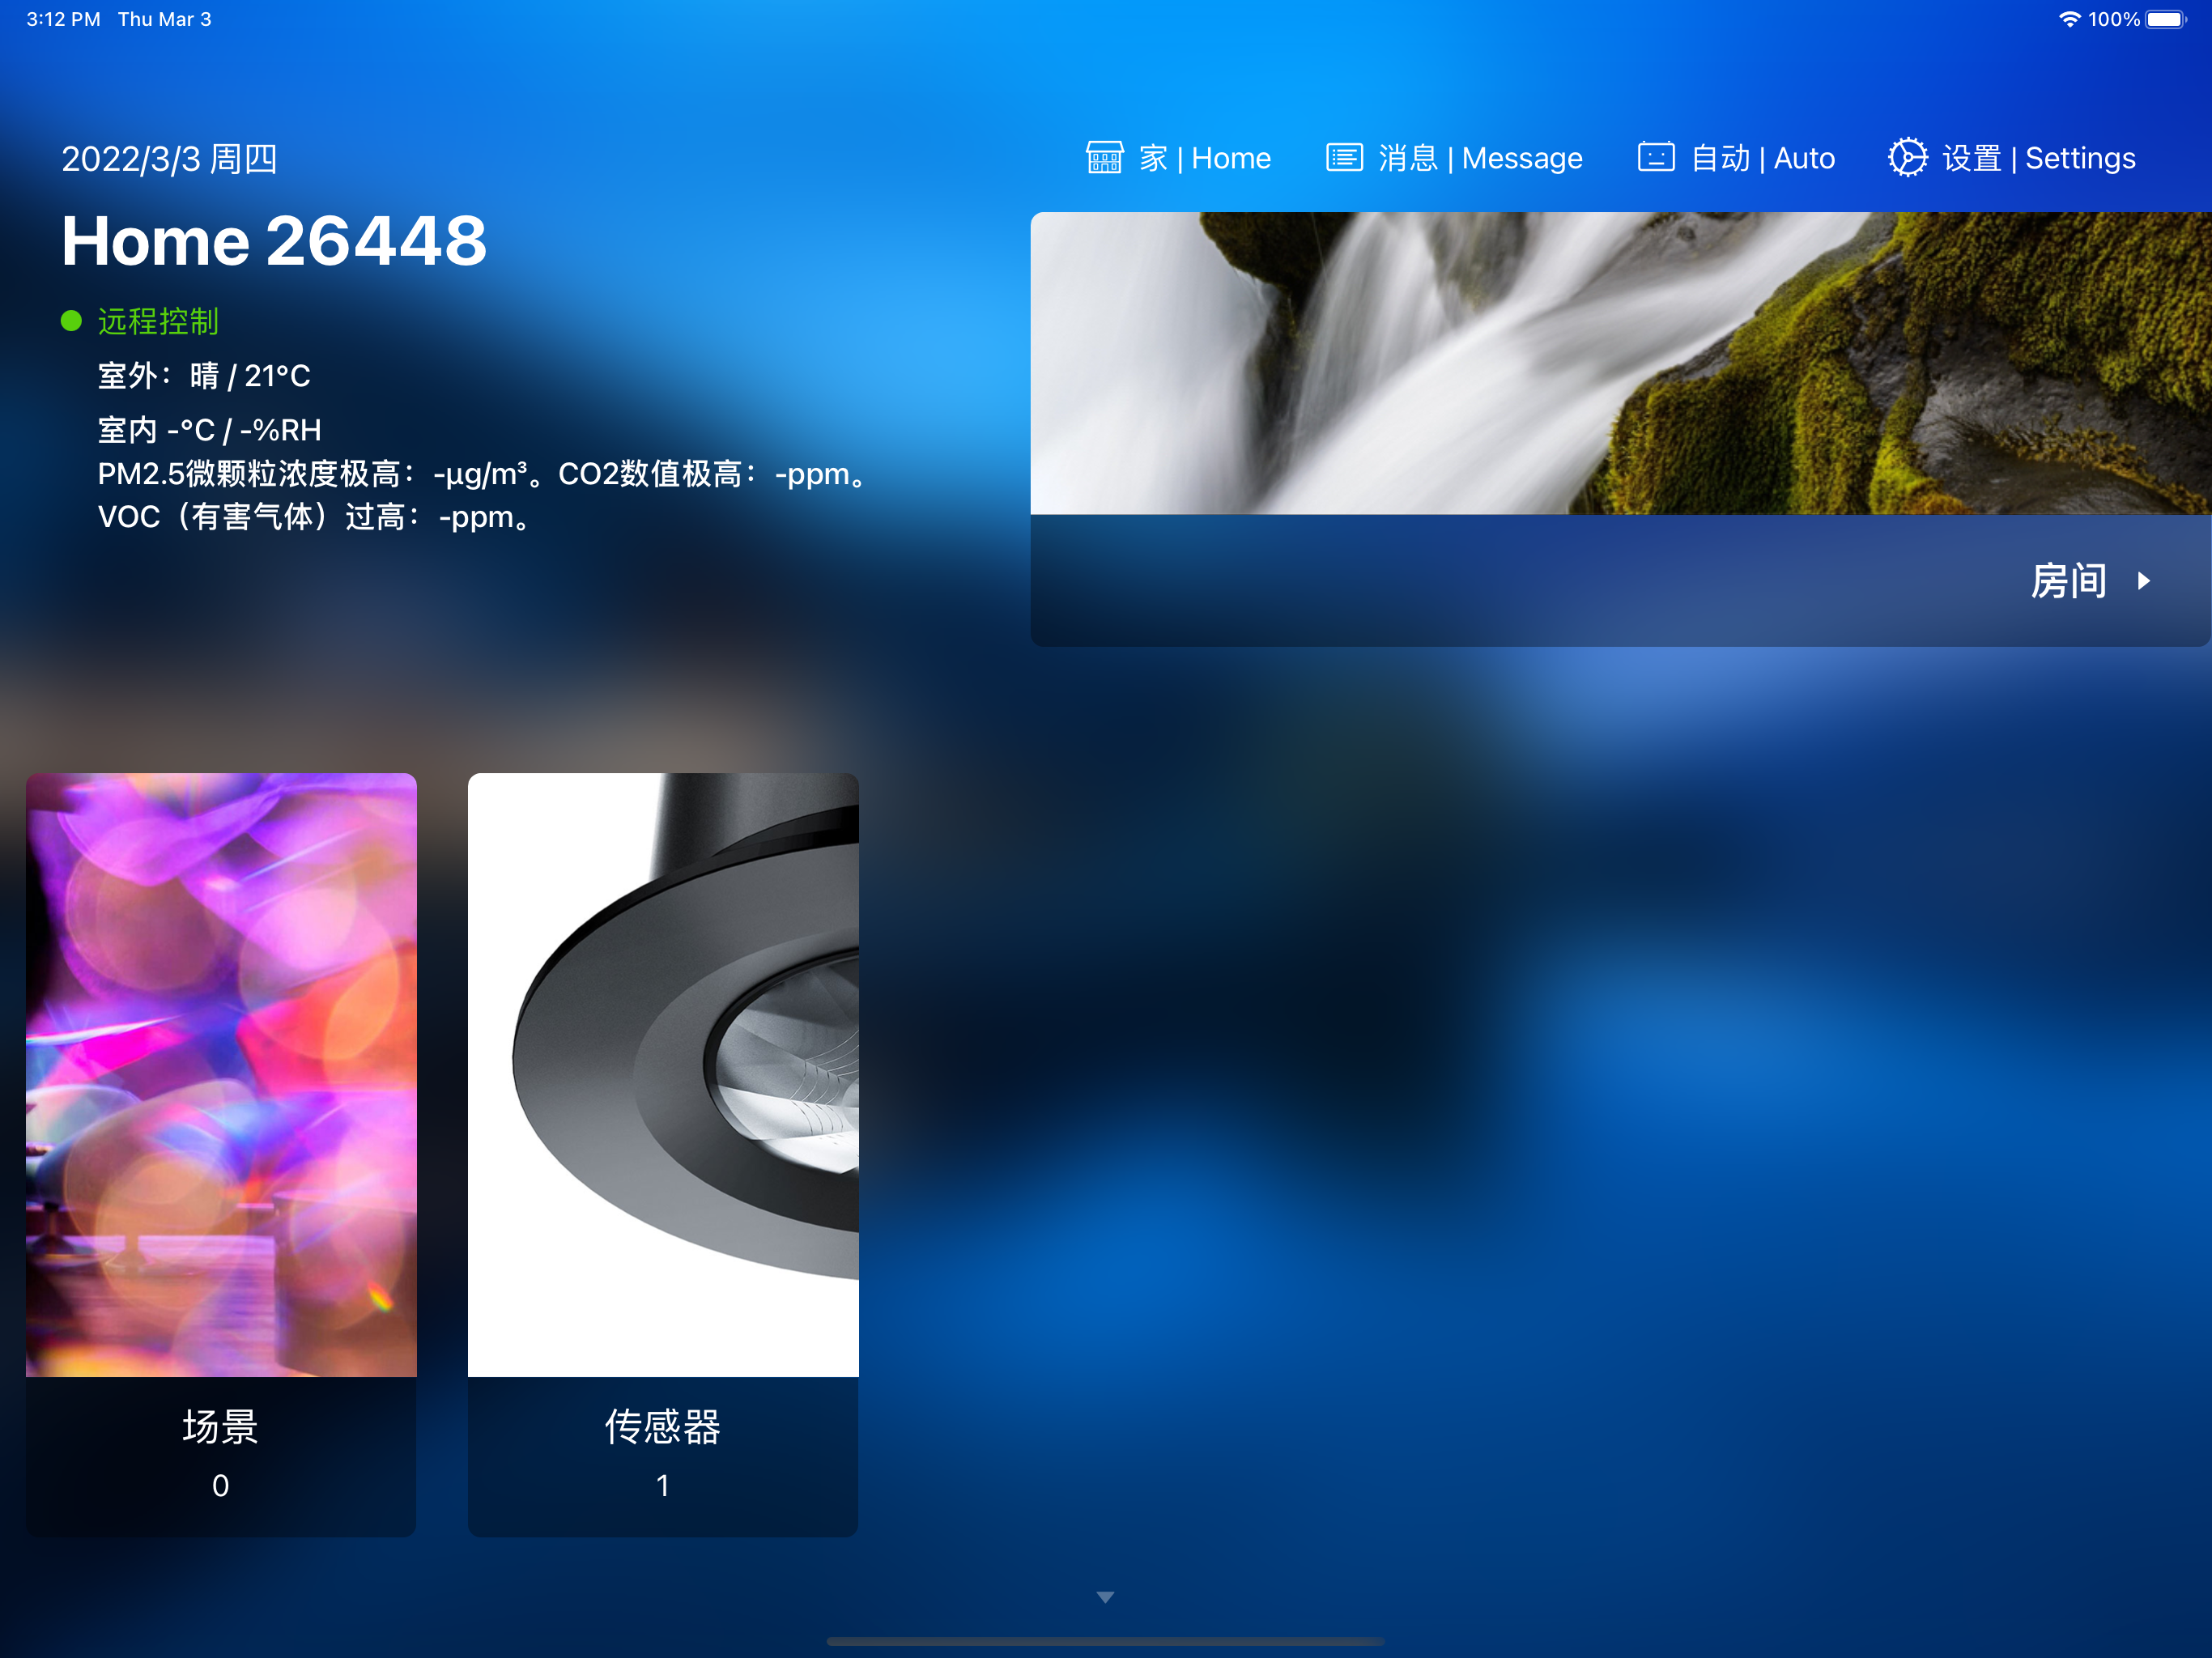
 |  |  |  |  | *注意传感器的ID必须为mainsensor，现在传感器支持的通道有temperature humidity pm25 co2 voc

